Index
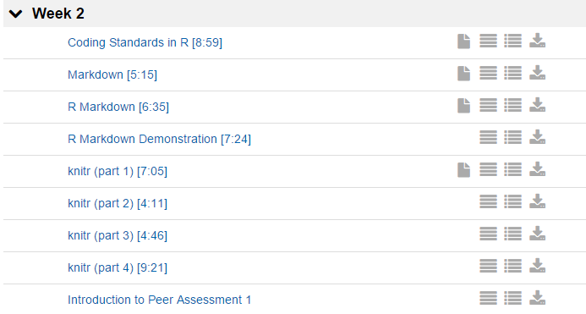
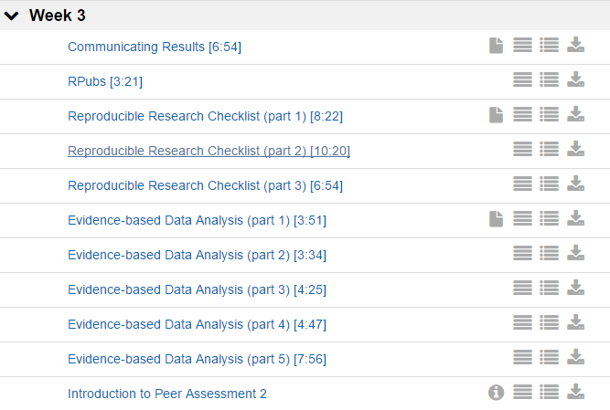
Reproducible Research
https://class.coursera.org/repdata-014/lecture

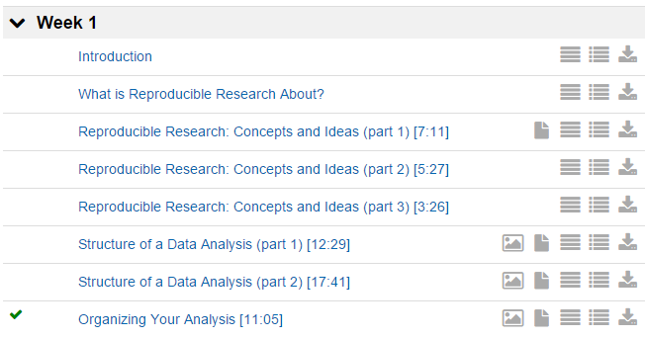
Week1
 | Introduction
 | What is Reproducible Research About ?
 | Reproducible Research : Concepts and Ideas(part1)

W1
1 - 3 - Reproducible Research- Concepts and Ideas (part 1) [7-11]

Replication

* | The ultimate standard for strengthening scientific evidence is replication of findings and |  |  |  |  |  |  | 複製
 | conducting studies with independent |  |  |  |  |  |  | 行う
 | - Investigators
 | - Data
 | - Analytical methods
 | - laboratories
 | - Instruments

* | Replication is particularly important in studies that can impact broad policy or regulatory decisions

What's wrong with replication ?

* | Some studies cannot be replicated
 | - No time, opportunistic
 | - No money
 | - Unique

* | Reproducible Research: Make analytic data and code available so that others may
 | reproduce findings.

How can we bridge the gap ?

 | Replication

 | Reproduciblity

 | Nothing

Why do we need reproducible research ?

* | New technologies increasing data collection throughput; data are more complex and
 | extremely high dimensional
* | Existing databases can be mered into new "megadatabases"
* | Computing power is greaty increased, allowing more sophisticated analyses
* | For every field "X" there is a field "Computational X"

Example: Reproducible Air Pollution and Health Research

* | Estimating small (but important) health effects in the presence of much stronger signals
* | Results inform substantial policy decisions, affect many stakeholders
 | - EPA regulations can cost billions of dollars
* | Complex statistical methods are needed and subjected to intense scrutinyu

Internet-based Health and Air Pollution Surveillance System (iHAPSS)

Research Pipeline

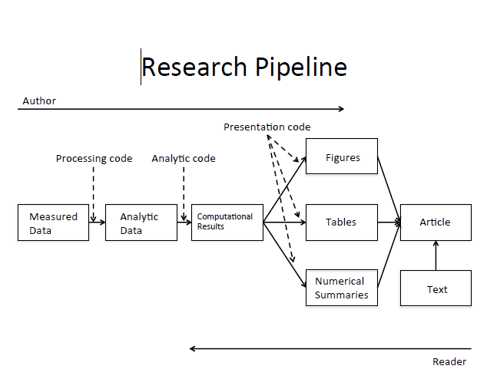

The IOM(institute of medicine) report

 | In the discovery/test validation stage of omics-based tests:

* | Data/metadata used to develop test should be made publicly available
* | The computer code and fully specified computational procedures used for
 | development of the candidate omics-based test should be made sustainably available
* | "Idealllly, the computer code that is released will encompass all of the steps of
 | computational analysis, including all data preprocessing steps, that have been
 | described in this chapter. All aspects of the analysis need to be transparently reported."

What do we need ?

* | Analytic data are available
* | Analytic code are available
* | Documentation of code and data
* | Standard means of distribution

Who are the Players ?

 | Authors
 | - Want to make their research reproducible
 | - Want tools for RR to make their lives easier ( or at least not much harder)

 | Readers
 | - Want to reproduce ( and perhaps expand upon ) interesting findings
 | - Want tools for RR to make their lives easier

Challenges
* | Authors must undertake considerable effort to put data/results on the web ( may not
 | have resources like a web server)
* | Readers must download data/results individually and piece together which data go with
 | which code sections, etc.
* | Readers may not have the same resources as authors.
* | Few tools to help authors/readers (although toolbox is growing!)

In reality …
 | Authors
 | - Just put stuff on the web
 | - (Infamous) Journal supplementary materials
 | - There are some central databases for various fields(e,g, biology, ICPSR)
 | - Piece together the software and run it.

Literate (Statistical) Programming

* | An article is a stream of text and code
* | Analysis code is divided into text and code "chunks" |  |  |  | chunk | 関連項目のまとまり
* | Each code chunk loads data and computes results
* | Presentation code formats results(tables, figures, etc.)
* | Article text explains what is going on
* | Literate programs can be weaved to produce human-readable documents
 | and tangled to produce machine-readable documents.

 | weave | 仕組む、つくりあげる
 | tangle | からませる

Literate (Statistical) Programming

* | Literate programming is a general concept that requires
 | 1. A documentation language (human readable)
 | 2. A programming language (machine readable)
* | Sweave uses LaTeX and R as the documentation and programming languages
* | Sweave was developed by Friedrich Leisch (ember of the R Core) and is
 | maintained by R core
 | Main web site: |  | http://www.statistik.lmu.de/~leisch/Sweave
 |  |  | http://leisch.userweb.mwn.de/Sweave/

Sweave Limitations

* | Sweave has many limitations
* | Focused primarily on LaTeX, a difficult to learn markup language used only by weirdos |  |  |  |  |  |  | 変な人
* | Lacks features like caching, multiple plots per chunk, mixing programming languages and
 | many other technical items
* | Not frequently updated or very actively developed

Literate (Statistical) Programming

* | knitr is an alternative(more recent) package
* | Brings together many features added on to Sweave to address limitations
* | knitr uses R as the programming language (although others are allowed) and
 | variety of documentation languages
 | - LateX, Markdown, HTML
* | knitr was developed by Yihui Xie ( whioe a graduate student in statistics at iowa State)
* | See |  | http://yihui.name/knitr/

Summary

* | Reproducible research is important as a minimum standard, particularly for studies
 | that are difficult to replicate
* | Infrastructure is needed for creating and distributing reproducible documents,
 | beyond what is currently available.
* | There is a growing number of tools for creating reproducible documents.

1 - 7 - Structure of a Data Analysis (part 1) [12-29]

Steps in a data analysis
 | Define the question
 | Define the ideal data set
 | Determine what data you can access
 | Obtain the data
 | Clean the data
 | Exploratory data analysis
 | Statistical prediction/modeling
 | Interpret results
 | Challenge results
 | Synthesize/write up results
 | Create reproducible code

The key challenge in data analysis

 | Ask yourselves, what problem have you solved, ever, that was worth solving, where you knew all of
 | the given information in advance? Where you didn’t have a surplus of information and have to filter it
 | out, or you had insufficient information and have to go find some?

 | an Myer, Mathematics Educator

Defining a question

 | 1. Statistical methods development
 | 2. Danger zone!!! |  |  | http://drewconway.com/zia/?p=2378
 | 3. Proper data analysis

An example

 | Start with a general question
 |  | Can I automatically detect emails that are SPAM that are not?
 | Make it concrete
 |  | Can I use quantitative characteristics of the emails to classify them as SPAM/HAM?

 |  | quantitative |  | 定量的な

Define the ideal data set

 | The data set may depend on your goal
 |  | Descriptive - a whole population |  |  |  | 記述的な
 |  | Exploratory - a random sample with many variables measured |  |  |  | 調査の
 |  | Inferential - the right population, randomly sampled |  |  |  | 推論による
 |  | Predictive - a training and test data set from the same population |  |  |  | 予言の
 |  | Causal - data from a randomized study |  |  |  | 因果関係の
 |  | Mechanistic - data about all components of the system |  |  |  | 機械論的な

Our example

 | http://www.google.com/about/datacenters/inside/

Determine what data you can access

 | Sometimes you can find data free on the web
 | Other times you may need to buy the data
 | Be sure to respect the terms of use
 | If the data don't exist, you may need to generate it yourself

Back to our example

A possible solution

 | http://archive.ics.uci.edu/ml/datasets/Spambase

Obtain the data

 | Try to obtain the raw data
 | Be sure to reference the source
 | Polite emails go a long way
 | If you will load the data from an internet source, record the url and time accessed

Our data set

 | http://search.r-project.org/library/kernlab/html/spam.html

Clean the data

 | Raw data often needs to be processed
 | If it is pre-processed, make sure you understand how
 | Understand the source of the data (census, sample, convenience sample, etc.)
 | May need reformating, subsampling - record these steps
 | Determine if the data are good enough - if not, quit or change data

Our cleaned data set

 | > library(kernlab)
 | Warning message:
 | package ‘kernlab’ was built under R version 3.1.3
 | > data(spam)
 | > str(spam[,1:5])
 | 'data.frame': 4601 obs. of 5 variables:
 | $ make : num 0 0.21 0.06 0 0 0 0 0 0.15 0.06 ...
 | $ address: num 0.64 0.28 0 0 0 0 0 0 0 0.12 ...
 | $ all : num 0.64 0.5 0.71 0 0 0 0 0 0.46 0.77 ...
 | $ num3d : num 0 0 0 0 0 0 0 0 0 0 ...
 | $ our : num 0.32 0.14 1.23 0.63 0.63 1.85 1.92 1.88 0.61 0.19 ...

1 - 8 - Structure of a Data Analysis (part 2) [17-41]

Steps in a data analysis
 | Define the question
 | Define the ideal data set
 | Determine what data you can access
 | Obtain the data
 | Clean the data
 | Exploratory data analysis
 | Statistical prediction/modeling
 | Interpret results
 | Challenge results
 | Synthesize/write up results
 | Create reproducible code

An example
 | Start with a general question
 |  | Can I automatically detect emails that are SPAM or not?
 | Make it concrete
 |  | Can I use quantitative characteristics of the emails to classify them as SPAM/HAM?

Our data set

 | http://search.r-project.org/library/kernlab/html/spam.html

Subsampling our data set

 | # If it isn't installed, install the kernlab package

 | > library(kernlab)
 | Warning message:
 | package ‘kernlab’ was built under R version 3.1.3
 | > data(spam)

 | # Perform the subsampling

 | > set.seed(3435)
 | > trainIndicator = rbinom(4601, size = 1, prob = 0.5)
 | > table(trainIndicator)
 | trainIndicator
 | 0 1
 | 2314 2287
 | > trainSpam = spam[trainIndicator == 1,]
 | > testSpam = spam[trainIndicator == 0,]

 | spamの中に trainIndicatorはない。
 | trainIndicator == 1により length=4601 の T/F vectorができる。それにしたがって T 位置の
 | 行のデータが残ったsubsetができる

Exploratory data analysis

 | Look at summaries of the data
 | Check for missing data
 | Create exploratory plots
 | Perform exploratory analyses (e.g. clustering)

Names

 | > names(trainSpam)
 | [1] "make" "address" "all" "num3d" "our"
 | [6] "over" "remove" "internet" "order" "mail"
 | [11] "receive" "will" "people" "report" "addresses"
 | [16] "free" "business" "email" "you" "credit"
 | [21] "your" "font" "num000" "money" "hp"
 | [26] "hpl" "george" "num650" "lab" "labs"
 | [31] "telnet" "num857" "data" "num415" "num85"
 | [36] "technology" "num1999" "parts" "pm" "direct"
 | [41] "cs" "meeting" "original" "project" "re"
 | [46] "edu" "table" "conference" "charSemicolon" "charRoundbracket"
 | [51] "charSquarebracket" "charExclamation" "charDollar" "charHash" "capitalAve"
 | [56] "capitalLong" "capitalTotal" "type"

Ｈｅａｄ

 | > head(trainSpam)
 | make address all num3d our over remove internet order mail receive will people report addresses free
 | 1 0.00 0.64 0.64 0 0.32 0.00 0.00 0 0.00 0.00 0.00 0.64 0.00 0 0 0.32
 | 7 0.00 0.00 0.00 0 1.92 0.00 0.00 0 0.00 0.64 0.96 1.28 0.00 0 0 0.96
 | 9 0.15 0.00 0.46 0 0.61 0.00 0.30 0 0.92 0.76 0.76 0.92 0.00 0 0 0.00
 | 12 0.00 0.00 0.25 0 0.38 0.25 0.25 0 0.00 0.00 0.12 0.12 0.12 0 0 0.00
 | 14 0.00 0.00 0.00 0 0.90 0.00 0.90 0 0.00 0.90 0.90 0.00 0.90 0 0 0.00
 | 16 0.00 0.42 0.42 0 1.27 0.00 0.42 0 0.00 1.27 0.00 0.00 0.00 0 0 1.27
 | business email you credit your font num000 money hp hpl george num650 lab labs telnet num857 data
 | 1 0 1.29 1.93 0.00 0.96 0 0 0.00 0 0 0 0 0 0 0 0 0.00
 | 7 0 0.32 3.85 0.00 0.64 0 0 0.00 0 0 0 0 0 0 0 0 0.00
 | 9 0 0.15 1.23 3.53 2.00 0 0 0.15 0 0 0 0 0 0 0 0 0.15
 | 12 0 0.00 1.16 0.00 0.77 0 0 0.00 0 0 0 0 0 0 0 0 0.00
 | 14 0 0.00 2.72 0.00 0.90 0 0 0.00 0 0 0 0 0 0 0 0 0.00
 | 16 0 0.00 1.70 0.42 1.27 0 0 0.42 0 0 0 0 0 0 0 0 0.00
 | num415 num85 technology num1999 parts pm direct cs meeting original project re edu table conference
 | 1 0 0 0 0.00 0 0 0.00 0 0 0.0 0 0 0 0 0
 | 7 0 0 0 0.00 0 0 0.00 0 0 0.0 0 0 0 0 0
 | 9 0 0 0 0.00 0 0 0.00 0 0 0.3 0 0 0 0 0
 | 12 0 0 0 0.00 0 0 0.00 0 0 0.0 0 0 0 0 0
 | 14 0 0 0 0.00 0 0 0.00 0 0 0.0 0 0 0 0 0
 | 16 0 0 0 1.27 0 0 0.42 0 0 0.0 0 0 0 0 0
 | charSemicolon charRoundbracket charSquarebracket charExclamation charDollar charHash capitalAve
 | 1 0.000 0.000 0 0.778 0.000 0.000 3.756
 | 7 0.000 0.054 0 0.164 0.054 0.000 1.671
 | 9 0.000 0.271 0 0.181 0.203 0.022 9.744
 | 12 0.022 0.044 0 0.663 0.000 0.000 1.243
 | 14 0.000 0.000 0 0.000 0.000 0.000 2.083
 | 16 0.000 0.063 0 0.572 0.063 0.000 5.659
 | capitalLong capitalTotal type
 | 1 61 278 spam
 | 7 4 112 spam
 | 9 445 1257 spam
 | 12 11 184 spam
 | 14 7 25 spam
 | 16 55 249 spam

Summaries

 | > table(trainSpam$type)

 | nonspam spam
 | 1381 906

Plot

 | > plot(trainSpam$capitalAve ~ trainSpam$type)

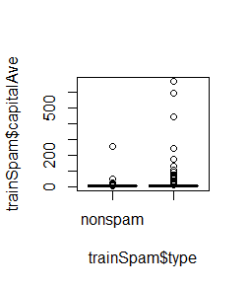

 | plot(log10(trainSpam$capitalAve + 1) ~ trainSpam$type

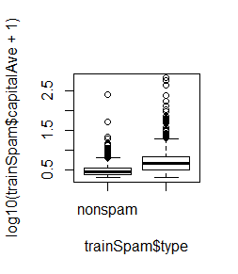

Relationships between predictors

 | plot(log10(trainSpam[, 1:4] + 1))

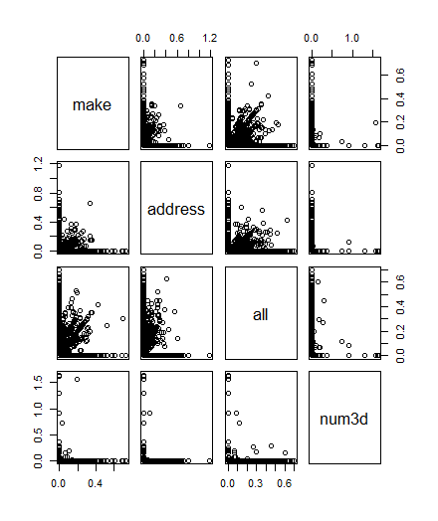

Clustering

 | > hCluster = hclust(dist(t(trainSpam[,1:57])))
 | > plot(hCluster)

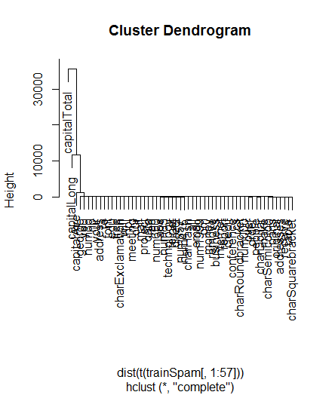

New clustering

 | > hClusterUpdated = hclust(dist(t(log10(trainSpam[,1:55]+1)))) |  |  |  |  |  | > hClusterUpdated = hclust(dist(t(log10(trainSpam[,1:55])))) |  |  |  | +1がないと
 | > plot(hClusterUpdated) |  |  |  |  |  | Error in hclust(dist(t(log10(trainSpam[, 1:55])))) : |  |  |  | エラーがでる
 |  |  |  |  |  |  | NA/NaN/Inf in foreign function call (arg 11) |  |  |  | たぶんlog10(0)になることがあるから

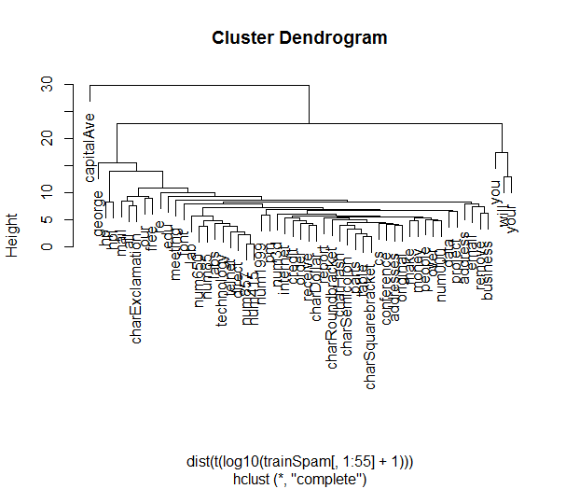

Statistical prediction/modeling
 | Should be informed by the results of your exploratory analysis
 | Exact methods depend on the question of interest
 | Transformations/processing should be accounted for when necessary
 | Measures of uncertainty should be reported

Statistical prediction/modeling |  |  |  |  | kokono理解から |  | ＰＤＦ２ Ｐ１７

 | > trainSpam$numType = as.numeric(trainSpam$type) - 1 |  |  |  |  | １ひいて0,1にしている |  |  | trainSpam$type factor
 | > costFunction = function(x, y) sum(x != (y > 0.5)) |  |  |  |  |  |  |  | [1] "nonspam" "spam" | 1 & 2
 | > cvError = rep(NA, 55)
 | > library(boot)
 | Warning message:
 | package ‘boot’ was built under R version 3.1.3 |  |  |  |  |  |  | よくわからない
 | > for (i in 1:55) {
 | + lmFormula = reformulate(names(trainSpam)[i], response = "numType")
 | + glmFit = glm(lmFormula, family = "binomial", data = trainSpam)
 | + cvError[i] = cv.glm(trainSpam, glmFit, costFunction, 2)$delta[2]
 | + }
 | There were 50 or more warnings (use warnings() to see the first 50)
 | > ## Which predictor has minimum cross-validated error?
 | > names(trainSpam)[which.min(cvError)]
 | [1] "charDollar"
 | > ## [1] "charDollar"

 |  | これを実行してからはじめる

 |  | library(kernlab)
 |  | data(spam)
 |  | set.seed(3435)
 |  | trainIndicator = rbinom(4601, size = 1, prob = 0.5)
 |  | trainSpam = spam[trainIndicator == 1,]
 |  | testSpam = spam[trainIndicator == 0,]

 |  |  |  |  |  |  |  |  |  | Run following in advance
Get a measure of uncertainty
 |  |  |  |  |  |  |  |  |  | library(kernlab)
 | > ## Use the best model from the group |  |  |  |  |  |  |  |  | data(spam)
 | > predictionModel = glm(numType ~ charDollar, family = "binomial", data = trainSpam) |  |  |  |  |  |  |  | ここはtrainSpam | set.seed(3435)
 | Warning message: |  |  |  |  |  | unclass(predictionModel)でいろいろ見られたが |  |  | trainIndicator = rbinom(4601, size = 1, prob = 0.5)
 | glm.fit: fitted probabilities numerically 0 or 1 occurred |  |  |  |  |  | fittedまでは見られなかった |  |  | trainSpam = spam[trainIndicator == 1,]
 |  |  |  |  |  |  |  |  |  | testSpam = spam[trainIndicator == 0,]
 | > ## Get predictions on the test set
 | > predictionTest = predict(predictionModel, testSpam)
 | > predictedSpam = rep("nonspam", dim(testSpam)[1]) |  |  |  | nonspam を testSpamの行数分だけ繰り返す |  |  |  |  | trainSpam$numType = as.numeric(trainSpam$type) - 1
 |  |  |  |  |  | dim(testSpam) = 2314 x 58 |  |  |  | costFunction = function(x, y) sum(x != (y > 0.5))
 | > ## Classify as `spam' for those with prob > 0.5 |  |  |  |  |  |  |  |  | cvError = rep(NA, 55)
 | predictedSpam[predictionModel$fitted > 0.5] = "spam" |  |  |  |  | predictionModelはtrainSpamを使っているので2287 |  |  |  | library(boot)
 |  |  |  |  |  | 数が合わないけどいいのかなあ? |  |  |  | for (i in 1:55) {
 |  |  |  |  |  | たりないところには繰り返し使われるから構わないのだろう |  |  |  | lmFormula = reformulate(names(trainSpam)[i], response = "numType")
 | > ## Classification table |  |  |  |  |  |  |  |  | glmFit = glm(lmFormula, family = "binomial", data = trainSpam)
 | table(predictedSpam, testSpam$type) |  |  |  |  |  |  |  |  | cvError[i] = cv.glm(trainSpam, glmFit, costFunction, 2)$delta[2]
 |  |  |  |  |  |  |  |  |  | }
 | predictedSpam nonspam spam |  |  |  |  |  |  |  |  | ## Which predictor has minimum cross-validated error?
 | nonspam 1346 458 |  |  |  |  |  |  |  |  | names(trainSpam)[which.min(cvError)]
 | spam 61 449 |  |  |  |  |  |  |  |  | ## [1] "charDollar"

 | > ## Error rate
 | > (61 + 458)/(1346 + 458 + 61 + 449)
 | [1] 0.2242869

Interpret results

 | Use the appropriate language
 |  | describes
 |  | correlates with/associated with
 |  | leads to/causes
 |  | predicts

 | Give an explanation
 | Interpret coefficients
 | Interpret measures of uncertainty

Our example

 | The fraction of charcters that are dollar signs can be used to predict if an email is Spam
 | Anything with more than 6.6% dollar signs is classified as Spam |  |  |  |  | 6.6という数字がどこかｒでてきたのか？
 | More dollar signs always means more Spam under our prediction
 | Our test set error rate was 22.4%

Challenge results

 | Challenge all steps:

 |  | Question
 |  | Data source
 |  | Processing
 |  | Analysis
 |  | Conclusions

 | Challenge measures of uncertainty
 | Challenge choices of terms to include in models |  |  |  | term | 期間
 | Think of potential alternative analyses

Synthesize/write-up results |  |  |  |  | synthesize | 合成する
 |  |  |  |  | write-up | 好意的な記事
 | Lead with the question
 | Summarize the analyses into the story
 | Don't include every analysis, include it
 |  | If it is needed for the story
 |  | If it is needed to address a challenge

 | Order analyses according to the story, rather than chronologically |  |  |  | 年代的に
 | Include "pretty" figures that contribute to the story

In our example

 | Lead with the question
 |  | Can I use quantitative characteristics of the emails to classify them as SPAM/HAM?

 | Describe the approach
 |  | Collected data from UCI -> created training/test sets
 |  | Explored relationships
 |  | Choose logistic model on training set by cross validation
 |  | Applied to test, 78% test set accuracy |  |  | １００－２２

 | Interpret results
 |  | Number of dollar signs seems reasonable, e.g. "Make money with Viagra $ $ $ $!"

 | Challenge results
 |  | 78% isn't that great
 |  | I could use more variables
 |  | Why logistic regression?

Create reproducible code

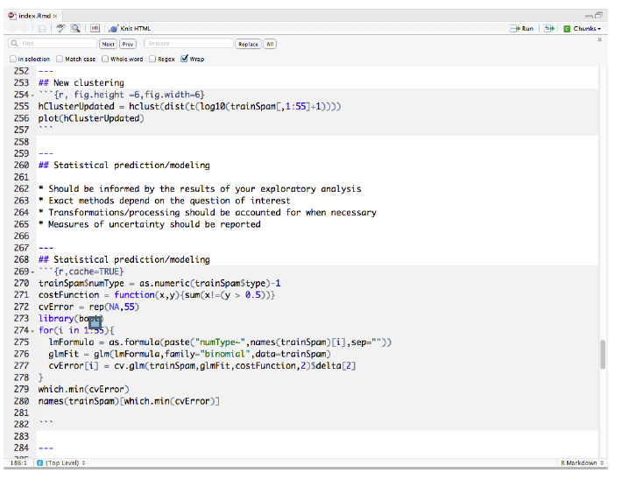

1 - 9 - Organizing Your Analysis [11-05]

Data analysis files

 | Data
 |  | Raw data
 |  | Processed data

 | Figures
 |  | Exploratory figures
 |  | Final figures

 | R code
 |  | Raw / unused scripts
 |  | Final scripts
 |  | R Markdown files

 | Text
 |  | README files
 |  | Text of analysis / report

Raw Data

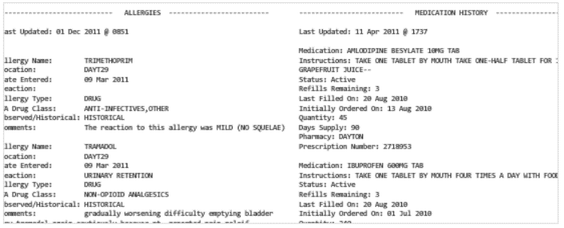

 | Should be stored in your analysis folder
 | If accessed from the web, include url, description, and date accessed in README

Processed data

 | Processed data should be named so it is easy to see which script generated the data.
 | The processing script - processed data mapping should occur in the README
 | Processed data should be tidy
 |  |  |  | http://vita.had.co.nz/papers/tidy-data.pdf

Exploratory figures

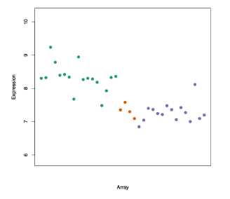

 | Figures made during the course of your analysis, not necessarily part of your final report.
 | They do not need to be "pretty"

Final Figures

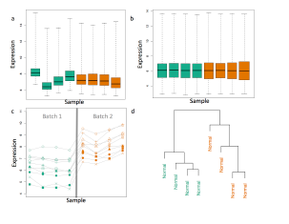

 | Usually a small subset of the original figures
 | Axes/colors set to make the figure clear
 | Possibly multiple panels

Raw scripts

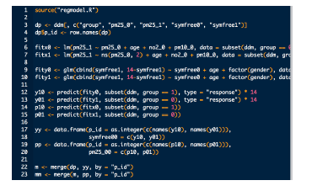

 | May be less commented (but comments help you!)
 | May be multiple versions
 | May include analyses that are later discarded

Final scripts

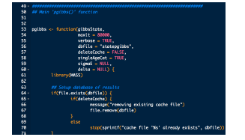

 | Clearly commented

 |  | Small comments liberally - what, when, why, how |  |  |  | 気前よく
 |  | Bigger commented blocks for whole sections

 | Include processing details
 | Only analyses that appear in the final write-up

R markdown files

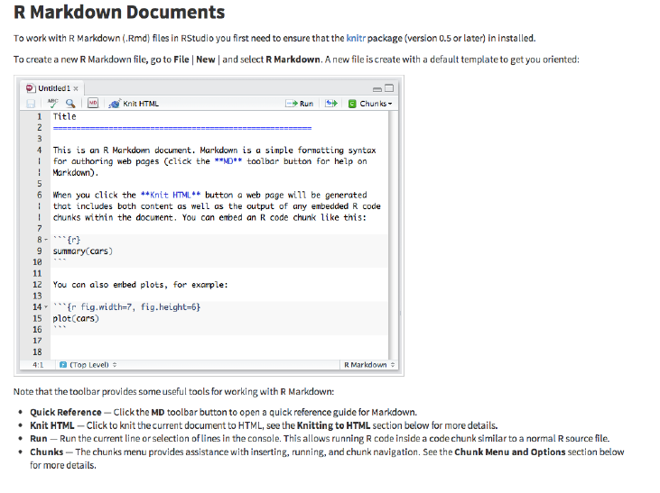

 | R markdown files can be used to generate reproducible reports |  |  |  |  | R markdown
 | Text and R code are integrated
 | Very easy to create in Rstudio

Readme files

 | Not necessary if you use R markdown
 | Should contain step-by-step instructions for analysis
 | Here is an example https://github.com/jtleek/swfdr/blob/master/README

Text of the document



* | It should include a title, introduction (motivation), methods (statistics you used), results (including
 | measures of uncertainty), and conclusions (including potential problems)
* | It should tell a story
* | It should not include every analysis you performed
* | References should be included for statistical methods

Further resources

* | Information about a non-reproducible study that led to cancer patients being mistreated: The
 | Duke Saga Starter Set |  |  |  |  | http://simplystatistics.org/2012/02/27/the-duke-saga-starter-set/
* | Reproducible research and Biostatistics |  |  |  |  | http://biostatistics.oxfordjournals.org/content/10/3/405.full
* | Managing a statistical analysis project guidelines and best practices |  |  |  |  | http://biostatistics.oxfordjournals.org/content/10/3/405.full
* | Project template - a pre-organized set of files for data analysis |  |  |  |  | http://projecttemplate.net/

W2
2 - 1 - Coding Standards in R [8-59]

Coding Standards for R

1 | Always use text files / text editor
2 | Indent your code
3 | Limit the width of your code ( 80 cooumns?)
4 | Limit the length of individual functions

Indenting

 | Indenting improves readability.
 | Fixing lline length ( 80 comumns) prevents lots of nesting and very long functions.
 | Suggested: Indents of 4 spaces at minimum: 8 spaces ideal

2 - 2 - Markdown [5-15]

What is Markdown?

 | Markdown is a text-to-HTML conversion tool for web writers. Markdown
 | allows you to write using an easy-to-read, easy-to-write plain text format,
 | then convert it to structurally valid XHTML (or HTML)

 | John Gruber, creator of Markdown |  |  |  | http://daringfireball.net/projects/markdown/

Markdown Syntax

 | *This text will appear italicized!*

 | **This text will appear bold!**

 | ## This is a secondary heading
 | ### This is a tertiary heading

 | Unordered Lists

 |  | - first item in list
 |  | - second item in list
 |  | - third item in list

 | Ordered Lists

 |  | 1. first item in list
 |  | 2. second item in list
 |  | 3. third item in list

 |  | どんな番号でも順番でも出力は番号順になる。と、言っていたように思う

 | Links

 |  | [Johns Hopkins Bloomberg School of Public Health](http://www.jhsph.edu/)
 |  | [Download R](http://www.r-project.org/)
 |  | [RStudio](http://www.rstudio.com/)

 | Advanced Linking

 |  | I spend so much time reading [R bloggers][1] and [Simply Statistics][2]!
 |  | [1]: http://www.r-bloggers.com/ "R bloggers"
 |  | [2]: http://simplystatistics.org/ "Simply Statistics"

 | Newlines

 |  | Newlines require a double space after the end of a line.

 |  | First line
 |  | Second line

 |  | First line Second line

 |  | First line
 |  | Second line |  |  | たぶんdouble spaceがはいっているのだろう

 |  | First line
 |  | Second line

Markdown Resources

 | The Offical Markdown Documentation |  |  |  | http://daringfireball.net/projects/markdown/basics
 | Github's Markdown Guide |  |  |  | https://help.github.com/articles/github-flavored-markdown/
 | ・ |  |  |  | ・

 | Ｖｉｄｅｏ R markdown から

2 - 3 - R Markdown [6-35]

What is Markdown?

 | Created by John Gruber and Aaron Swartz
 | A simplified version of "markup" languages
 | Allows one to focus on writing as opposed to formatting
 | Simple/minimal intuitive formatting elements
 | Easily converted to valid HTML (and other formats) using existing tools
 | Complete information is available at http://daringfireball.net/projects/markdown/ |  |  |  |  |  |  |  | http://daringfireball.net/projects/markdown/
 | Some background information at http://daringfireball.net/2004/03/dive_into_markdown |  |  |  |  |  |  |  | http://daringfireball.net/2004/03/dive_into_markdown

What is R Markdown?

 | R markdown is the integration of R code with markdown
 | Allows one to create documents containing "live" R code
 | R code is evaluated as part of the processing of the markdown
 | Results from R code are inserted into markdown document
 | A core tool in literate statistical programming

What is R Markdown?

＊ | R markdown can be converted to standard markdown using the knitr package in R |  |  |  |  |  |  |  | http://yihui.name/knitr/
＊ | Markdown can be converted to HTML using the markdown package in R |  |  |  |  |  |  |  | https://github.com/rstudio/markdown
＊ | Any basic text editor can be used to create a markdown document; no special editing tools
 | needed
＊ | The R markdown --> markdown --> HTML work flow can be easily managed using R Studio (but
 | not required)
＊ | These slides were written in R markdown and converted to slides using the slidify package |  |  |  |  |  |  |  |  | http://slidify.org/

2 - 4 - R Markdown Demonstration [7-24]

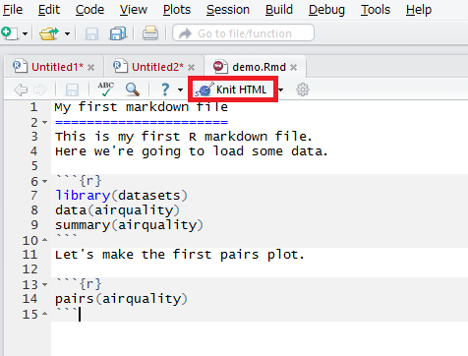

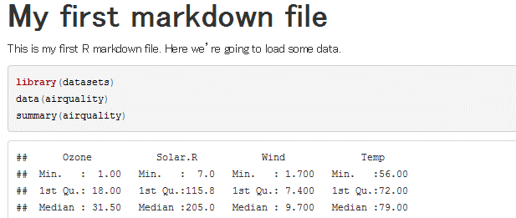

2 - 5 - knitr (part 1) [7-05] |  |  |  |  | p1 - p7

Problems, Problems

* | Authors must undertake considerable effort to put data/results on the web
* | Readers must down load data/results individually and piece together which data go with which code
 | sections, etc.
* | Authors/Readers must manually interact with websites
* | There is no single document to integrade data analysis with textual representations;
 | ie data, code , and text are not linked.

Literate Statistical Programming

* | Original idea comes from Don Knuth
* | An article is a stream of text and code
* | Analysis code is divided into text and code "chunks"
* | Presentation code formats results (tables, figures, etc.)
* | Article text explains what is going on
* | Literate programs are weaved to produce himan readable documents and tangled to produce
 | machine-readable documents.

Literate Statistical Programming

* | Literate programming is a general concept. We need
 | - A documentation language
 | - A programming language

* | The original Sweave system developed by Friedrich Leisch used LaTeX and R
* | knitr supports a variety of documentation languages

How do I make my work reproducible ?

* | Decide to do it (ideally from the start)
* | Keep track of things, perhaps with a version control system to track snapshots/changes.
* | Use software whose operation can be coded
* | Don't save output
* | Save data in non-proprietary formats

Literate Programming : Pros

* | Text and code all in one place. Logical order
* | Data, results automatically updated to reflect external changes
* | Code is live -- automatic "regression test" when building a document |  |  |  |  |  |  | 回帰

Literate Programming : Cons

* | Text and code all in one place; can make documents difficult to read, especially if there
 | is a lot of code
* | Can substantially slow down processing of documents ( although there are tools to help)

2 - 6 - knitr (part 2) [4-11] |  |  |  | P8-12

What is knitr ?

* | An R package written by Yihui Xie ( while he was a grad student at Iowa State)
 | - Available on CRAN
* | Supports Rmarkdown , LaTeX, and HTML as documentation languages
* | Can export to PDF, HTML
* | Built right into Rstudio for your convenience

Requrements

* | A recent version of R
* | A text editor ( the one that comes with Rstudio is okay)
* | Some support packages also avilable on CRAN
* | Some knowledge of Markdown, LaTeX, or HTML
* | We will use Markdown here

What is Markdown ?

* | A simplified version of "markup" languages
* | No special editor required
* | Simple, intuitive formatting elements
* | Complete information available at |  |  |  | http://goo.gl/MUt9i5
 |  |  |  |  | http://daringfireball.net/projects/markdown/basics

What is knitr Good For ?

* | Manuals
* | Short/medium-length technical documents
* | Tutorials
* | Reports(esp, if generated periodically)
* | Data preprocessing documents/summaries

What is knitr NOT Good For ?

* | Very long research articles
* | Complex time-consuming computations
* | Documents that require precise formatting

2 - 7 - knitr (part 3) [4-46] |  |  |  | P13-19

My First knitr Document

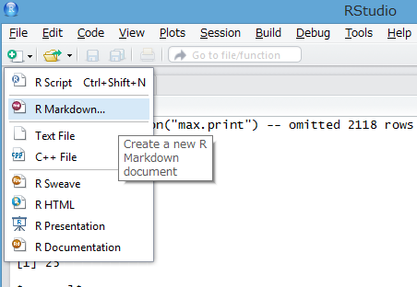

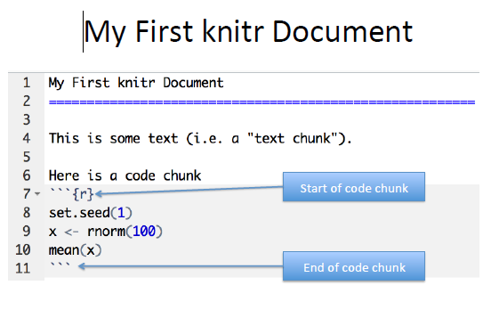

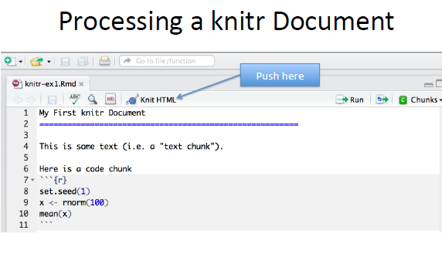

More complicated way

 | library(knitr)
 | setwd(<working directory>)"
 | knit2html(“document.Rmd”)" |  |  |  |  |  | document.md & figure directory with figure data is made.
 | browseURL(“document.html”)"

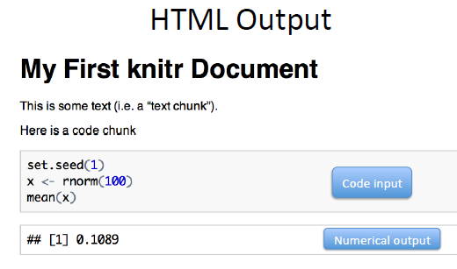

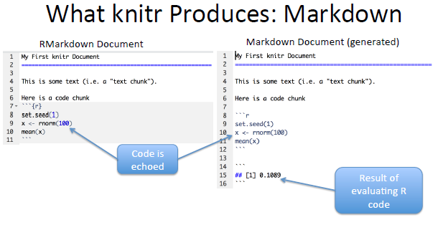

A few notes

* | knitr will fill a new document with filler text; delete it
* | Code chunks begin with ```{r} and end with ```
* | All R code goes in between these markers
* | Code chunks can have names , which is useful when we start making graphics
 | ```{r firstchunk}
 | ## R code goes here
 | ```
* | By default, code in a code chunk is echoed, as will the results of the computation ( if there
 | are results to print)

2 - 8 - knitr (part 4) [9-21]

Processing of knitr Documents ( what happens under the hood)

* | You write the Rmarkdown document (.Rmd)
* | knitr produces a Markdown document (.md)
* | knitr converts the Markdown document into HTML ( by default)
* | .Rmd -> .md -> .html
* | You should NOT edit ( or save) the .md or .html documents until you are finished.

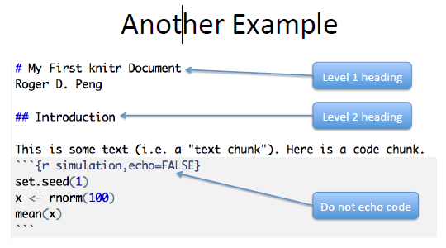

 |  |  |  |  |  |  |  |  | echo=FALSE |  | Hide code

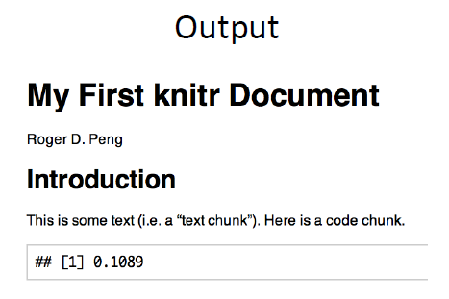

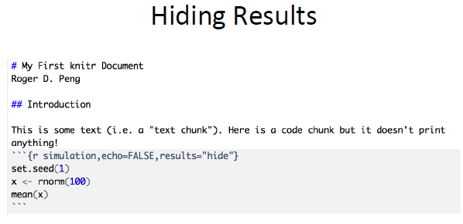

 |  |  |  |  |  |  |  |  |  | results = "hide" |  | hide result

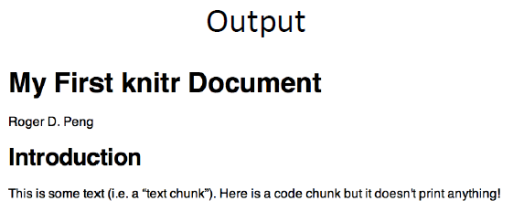

Inline Text computations

 | # My First knitr Document
 | ## Introduction

 | ```{r comutetime , echo = FALSE}
 | time <- Sys.time()
 | rand <- rnorm(1)
 | ```

 | The current time is `r time`. My favorite random number is `r rand`.

Incorporating Graphics

 | ## Introduction

 | Let's first simulate some data.
 | ```{r simulatedata.echo=TRUE}
 | x <- rnorm(100); y <- x + rnorm(100, sd = 0.5)
 | ```
 | Here is a scatterplot of the data.
 | ```{r scatterplot,fig.height=4} |  |  |  | Adjust figure height
 | par(mar=c(5,4,1,1), las = 1)
 | plot(x, y, main = "My Simulated Data")

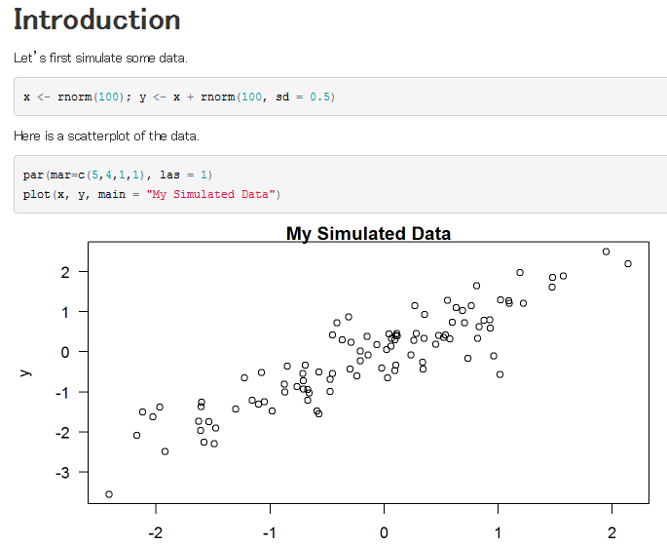

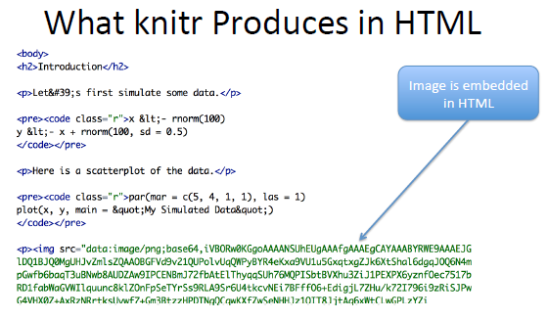

Making Tables with xtable

 | ## Introduction

 | ```{r fitmodel}
 | library(datasets)
 | data(airquality)
 | fit <- lm(Ozone ~ Wind + Temp + Solar.R, data = airquality)
 | ```
 | Here is a table of regression coefficients.
 | ```{r showtable,results = "asis"}
 | library(xtable)
 | xt <- xtable(summary(fit))
 | print(xt, type = "html")
 | ```

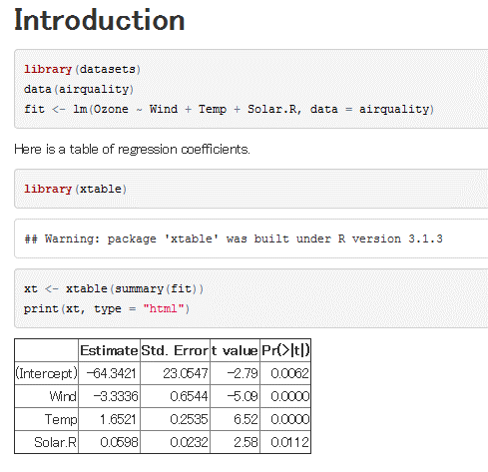

Setting Global Options

* | Sometimes we want to set options for every code chunk that are different from the
 | defaults
* | For example, we may want to suppress all code echoing and results output
* | We have to write some code to set these global options

Setting Global Options

 | ## Introduction

 | ```{r setoptions,echo=FALSE} |  |  |  |  | set default to NOT echo code.
 | library(knitr) |  |  |  | need library at Rmd.
 | opts_chunk$set(echo = FALSE, results = "hide")
 | ```
 | First simulate data
 | ```{r simulatedata,echo=TRUE} |  |  |  |  | Override fefault
 | x <- rnorm(100);y<- x + rnorm(100, sd=0.5)
 | ```
 | Here is a scatterplot of the data.
 | ```{r scatterplot,fig.height=4} |  |  |  |  | No echo code here.
 | par(mar = c(5,4,1,1), las = 1) |  |  |  |  | Use default.
 | plot(x, y, main = "My Simulated Data")
 | ```

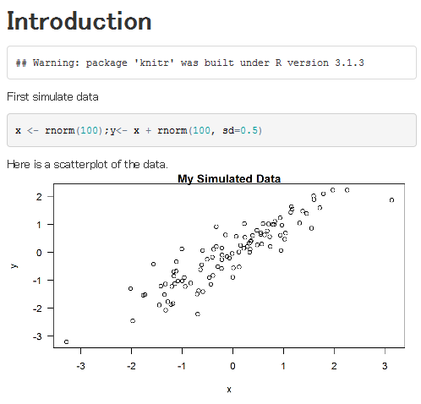

Some common options

 | Output
 | - results : "asis", "hide"
 | - echo: TRUE, FALSE

 | Figures
 | - fig.height : numeric
 | - fig.width: numeric

Caching Computations

* | What if one chunk takes a long time to run ?
* | All chunks have to be re-computed every time you re-knit the file
* | The cache = TRUE option can be set on a chunk-by-chunk basis to store results
 | of comutation.
* | After the first run, results are loaded from cache

Caching Caveats |  |  | 警告

* | If the data or code ( or anything external) changes, you need to re-run the cached code
 | chunks
* | Dependencies are not checked explicitly
* | Chunks with significant sede effects may not be cacheable

Summary
* | Literate statistical programming can be a useful way to put text, code, data, output all
 | in one document.
* | knitr is a powerful tool for integrating code and text in a simple docuent format

W3
3 - 1 - Communicating Results [6-54]

tl;dr

 | People are busy, especially managers and leaders
 | Results of data analyses are sometimes presented in oral form, but often the first cut is presented
 | via email
 | It is often useful to breakdown the results of an analysis into different levels of granularity / detail |  |  |  |  |  |  |  |  | 粒上の、ざらざらしている
 | Getting responses from busy people: http://goo.gl/sJDb9V

Hierarchy of Information: Research Paper

 | Title / Author list
 | Abstract
 | Body / Results
 | Supplementary Materials / the gory details |  |  |  | all the gory details | 個人的な関心を引く私事の詳細
 | Code / Data / really gory details

Hierarchy of Information: Email Presentation

 | Subject line / Sender info

 |  | At a minimum; include one
 |  | Can you summarize findings in one sentence?

 | Email body

 | * | A brief description of the problem / context; recall what was proposed and executed;
 |  | summarize findings / results; 1.2 paragraphs
 | * | If action needs to be taken as a result of this presentation, suggest some options and make
 |  | them as concrete as possible.
 | * | If questions need to be addressed, try to make them yes / no

Hierarchy of Information: Email Presentation

 | Attachment(s)

 |  | R Markdown file
 |  | knitr report
 |  | Stay concise; don't spit out pages of code (because you used knitr we know it's available)

 | Links to Supplementary Materials

 |  | Code / Software / Data
 |  | GitHub repository / Project web site

3 - 3 - Reproducible Research Checklist (part 1) [8-22]

DO: Start With Good Science

 | Garbage in, garbage out
 | Coherent, focused question simplifies many problems
 | Working with good collaborators reinforces good practices |  |  |  |  |  |  | 協力者
 | Something that's interesting to you will (hopefully) motivate good habits

DON'T: Do Things By Hand

 | Editing spreadsheets of data to "clean it up"
 |  | Removing outliers
 |  | QA / QC
 |  | Validating

 | Editing tables or figures (e.g. rounding, formatting)
 | Downloading data from a web site (clicking links in a web browser)
 | Moving data around your computer; splitting / reformatting data files
 | We're just going to do this once....

 | Things done by hand need to be precisely documented (this is harder than it sounds

DON'T: Point And Click

 | Many data processing / statistical analysis packages have graphical user interfaces (GUIs)
 | GUIs are convenient / intuitive but the actions you take with a GUI can be difficult for others to
 |  | reproduce
 | Some GUIs produce a log file or script which includes equivalent commands; these can be saved
 |  | for later examination
 | In general, be careful with data analysis software that is highly interactive; ease of use can
 |  | sometimes lead to non-reproducible analyses
 | Other interactive software, such as text editors, are usually fine

DO: Teach a Computer

 | If something needs to be done as part of your analysis / investigation, try to teach your computer
 |  | to do it (even if you only need to do it once)
 | In order to give your computer instructions, you need to write down exactly what you mean to do
 |  | and how it should be done
 | Teaching a computer almost guarantees reproducibilty

 | For example, by hand, you can

 | 1. Go to the UCI Machine Learning Repository at http://archive.ics.uci.edu/ml/
 |  | http://archive.ics.uci.edu/ml/
 | 2. Download the Bike Sharing Dataset by clicking on the link to the Data Folder, then clicking on
 |  | the link to the zip file of dataset, and choosing "Save Linked File As..." and then saving it to a
 |  | folder on your computer

 |  | http://archive.ics.uci.edu/ml/datasets/Bike+Sharing+Dataset

DO: Teach a Computer

 | Or You can teach your computer to do the same thing using R:

 | download.file("http://archive.ics.uci.edu/ml/machine-learning-databases/00275/
 | Bike-Sharing-Dataset.zip", "ProjectData/Bike-Sharing-Dataset.zip")

 | Notice here that

 | The full URL to the dataset file is specified (no clicking through a series of links)
 | The name of the file saved to your local computer is specified
 | The directory in which the file was saved is specified ("ProjectData")
 | Code can always be executed in R (as long as link is available)

DO: Use Some Version Control

 | Slow things down
 | Add changes in small chunks (don't just do one massive commit)
 | Track / tag snapshots; revert to old versions
 | Software like GitHub / BitBucket / SourceForge make it easy to publish results

DO: Keep Track of Your Software Environment

* | If you work on a complex project involving many tools / datasets, the software and computing
 | environment can be critical for reproducing your analysis
* | Computer architecture: CPU (Intel, AMD, ARM), GPUs,
* | Operating system: Windows, Mac OS, Linux / Unix
* | Software toolchain: Compilers, interpreters, command shell, programming languages (C, Perl,
 | Python, etc.), database backends, data analysis software
* | Supporting software / infrastructure: Libraries, R packages, dependencies
* | External dependencies: Web sites, data repositories, remote databases, software repositories
* | Version numbers: Ideally, for everything (if available)

DO: Keep Track of Your Software Environment

 | sessionInfo()

 | ## R version 3.0.2 Patched (2014-01-20 r64849)
 | ## Platform: x86_64-apple-darwin13.0.0 (64-bit)
 | ##
 | ## locale:
 | ## [1] en_US.UTF-8/en_US.UTF-8/en_US.UTF-8/C/en_US.UTF-8/en_US.UTF-8
 | ##
 | ## attached base packages:
 | ## [1] stats graphics grDevices utils datasets base
 | ##
 | ## other attached packages:
 | ## [1] slidify_0.3.3
 | ##
 | ## loaded via a namespace (and not attached):
 | ## [1] evaluate_0.5.1 formatR_0.10 knitr_1.5 markdown_0.6.3
 | ## [5] stringr_0.6.2 tools_3.0.2 whisker_0.3-2 yaml_2.1.8

DON'T: Save Output

* | Avoid saving data analysis output (tables, figures, summaries, processed data, etc.), except
 | perhaps temporarily for efficiency purposes.
* | If a stray output file cannot be easily connected with the means by which it was created, then it is
 | not reproducible.
* | Save the data + code that generated the output, rather than the output itself
* | Intermediate files are okay as long as there is clear documentation of how they were created

DO: Set Your Seed

* | Random number generators generate pseudo-random numbers based on an initial seed (usually
 | a number or set of numbers)

 | * | In R you can use the set.seed() function to set the seed and to specify the random
 |  | number generator to use

* | Setting the seed allows for the stream of random numbers to be exactly reproducible
* | Whenever you generate random numbers for a non-trivial purpose, always set the seed

DO: Think About the Entire Pipeline

* | Data analysis is a lengthy process; it is not just tables / figures / reports
* | Raw data → processed data → analysis → report
* | How you got the end is just as important as the end itself
* | The more of the data analysis pipeline you can make reproducible, the better for everyone

Summary: Checklist

* | Are we doing good science?
* | Was any part of this analysis done by hand?
 | * | If so, are those parts precisely document?
 | * | Does the documentation match reality?
* | Have we taught a computer to do as much as possible (i.e. coded)?
* | Are we using a version control system?
* | Have we documented our software environment?
* | Have we saved any output that we cannot reconstruct from original data + code?
* | How far back in the analysis pipeline can we go before our results are no longer (automatically)
 | reproducible?

3 - 6 - Evidence-based Data Analysis (part 1) [3-51]

Replication and Reproducibility

 | Replication

* | Focuses on the validity of the scientific claim
* | Is this claim true?
* | The ultimate standard for strengthening scientific evidence
* | New investigators, data, analytical methods, laboratories, instruments, etc.
* | Particularly important in studies that can impact broad policy or regulatory decisions

 | Reproducibility

* | Focuses on the validity of the data analysis
* | Can we trust this analysis?
* | Arguably a minimum standard for any scientific study |  |  |  | ほぼ間違いなく
* | New investigators, same data, same methods
* | Important when replication is impossible

Background and Underlying Trends

* | Some studies cannot be replicated: No time, No money, Unique/opportunistic
* | Technology is increasing data collection throughput; data are more complex and highdimensional
* | Existing databases can be merged to become bigger databases (but data are used off-label)
* | Computing power allows more sophisticated analyses, even on "small" data
* | For every field "X" there is a "Computational X" |  |  |  | ？

The Result?

* | Even basic analyses are difficult to describe
* | Heavy computational requirements are thrust upon people without adequate training in statistics
 | and computing
* | Errors are more easily introduced into long analysis pipelines
 | Knowledge transfer is inhibited
 | Results are difficult to replicate or reproduce
 | Complicated analyses cannot be trusted

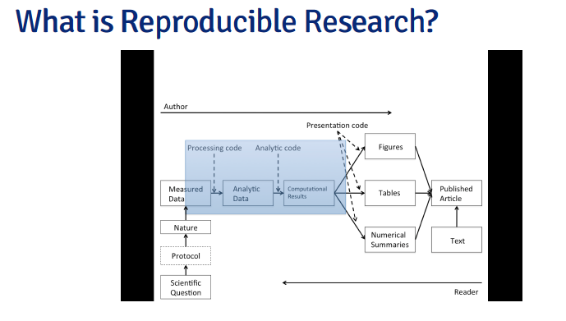
P6

What Problem Does Reproducibility Solve?

 | What we get

 | * | Transparency
 | * | Data Availability
 | * | Software / Methods Availability
 | * | Improved Transfer of Knowledge

 | What we do NOT get

 | * | Validity / Correctness of the analysis

 | An analysis can be reproducible and still be wrong
 | We want to know “can we trust this analysis?”
 | Does requiring reproducibility deter bad analysis? |  |  |  | 防止する

Problems with Reproducibility

 | The premise of reproducible research is that with data/code available, people can check each other
 | and the whole system is self-correcting

* | Addresses the most “downstream” aspect of the research process . post-publication

* | Assumes everyone plays by the same rules and wants to achieve the same goals (i.e. scientific
 | discovery)

3 - 8 - Evidence-based Data Analysis (part 3) [4-25]
Ｐ．１５

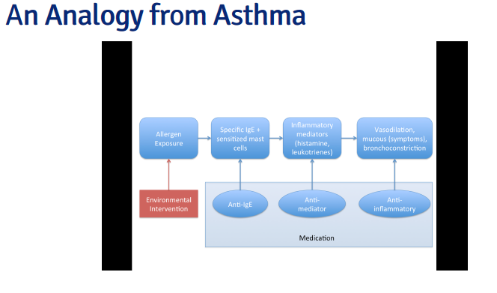

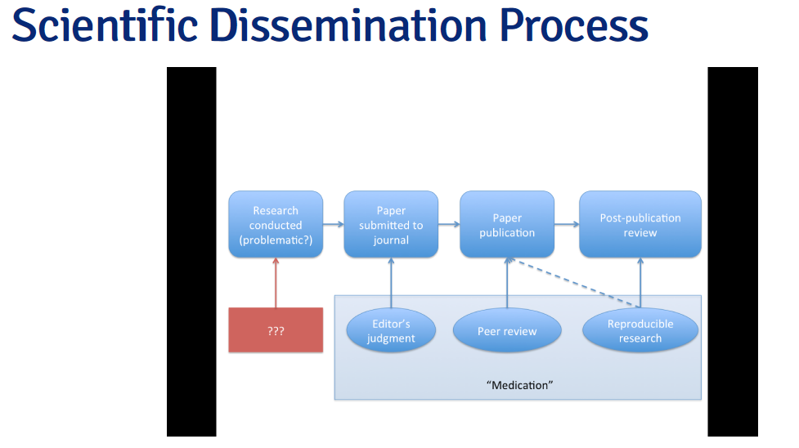

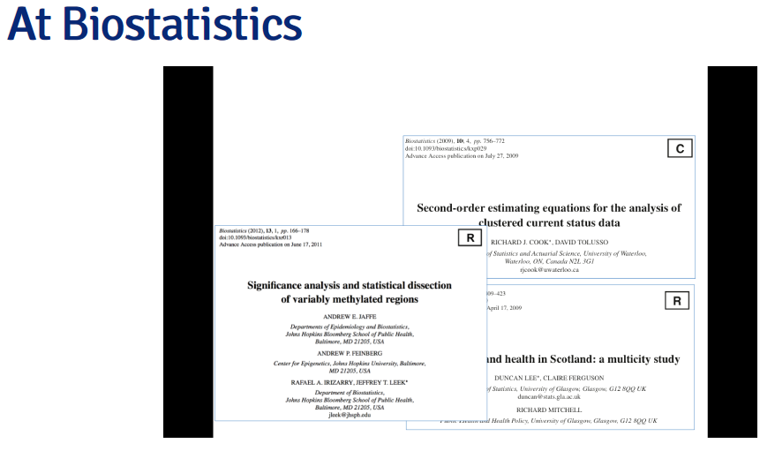

3 - 9 - Evidence-based Data Analysis (part 4) [4-47]
Ｐ．２５

Who Reproduces Research?

 | For reproducibility to be effective as a means to check validity, someone needs to do something

 | * | Re-run the analysis; check results match
 | * | Check the code for bugs/errors
 | * | Try alternate approaches; check sensitivity

 | The need for someone to do something is inherited from traditional notion of replication
 | Who is "someone" and what are their goals?

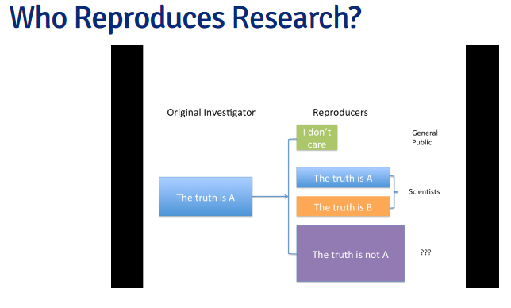

The Story So Far

* | Reproducibility brings transparency (wrt code+data) and increased transfer of knowledge
* | A lot of discussion about how to get people to share data
* | Key question of "can we trust this analysis?" is not addressed by reproducibility
* | Reproducibility addresses potential problems long after they’ve occurred ("downstream")
* | Secondary analyses are inevitably coloured by the interests/motivations of others

Evidence-based Data Analysis

* | Most data analyses involve stringing together many different tools and methods
* | Some methods may be standard for a given field, but others are often applied ad hoc
* | We should apply thoroughly studied (via statistical research), mutually agreed upon methods to
 | analyze data whenever possible
* | There should be evidence to justify the application of a given method

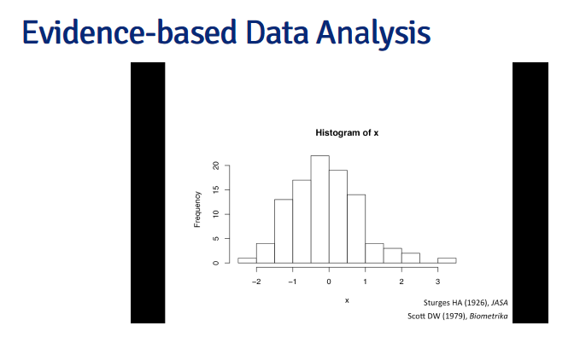

3 - 10 - Evidence-based Data Analysis (part 5) [7-56]
P.34

Evidence-based Data Analysis

 | Create analytic pipelines from evidence-based components . standardize it
 | A Deterministic Statistical Machine http://goo.gl/Qvlhuv
 | Once an evidence-based analytic pipeline is established, we shouldn’t mess with it |  |  |  |  |  |  | 散らかす、台無しにする
 | Analysis with a “transparent box”
 | Reduce the "researcher degrees of freedom"
 | Analogous to a pre-specified clinical trial protocol |  |  |  | 類似した

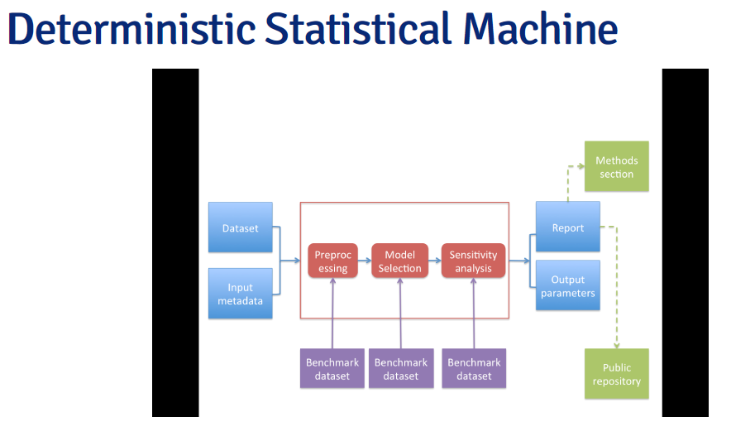

Case Study: Estimating Acute Effects of
Ambient Air Pollution Exposure

* | Acute/short-term effects typically estimated via panel studies or time series studies
* | Work originated in late 1970s early 1980s
 | Key question: "Are short-term changes in pollution associated with short-term changes in a
 | population health outcome?"
 | Studies usually conducted at community level
 | Long history of statistical research investigating proper methods of analysis

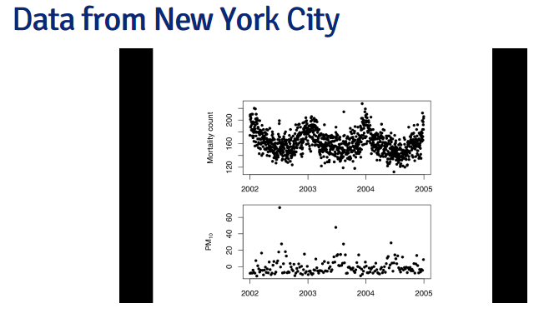

Case Study: Estimating Acute Effects of
Ambient Air Pollution Exposure

* | Can we encode everything that we have found in statistical/epidemiological research into a single
 | package?
* | Time series studies do not have a huge range of variation; typically involves similar types of data
 | and similar questions
* | We can create a deterministic statistical machine for this area? |  |  |  |  |  | 決定的な、予測可能な結果の

DSM Modules for Time Series Studies of Air |  |  |  | Deterministic Statistical Machine のことか？
Pollution and Health

 | 1. Check for outliers, high leverage, overdispersion |  |  |  |  | 主要部分から離れているもの
 |  |  |  |  |  | 影響力
 | 2. Fill in missing data? NO! |  |  |  |  | 分散

 | 3. Model selection: Estimate degrees of freedom to adjust for unmeasured confounders |  |  |  |  |  |  |  | 混同する、当惑させる

 |  | Other aspects of model not as critical

 | 4. Multiple lag analysis |  | 遅延？

 | 5. Sensitivity analysis wrt

 |  | Unmeasured confounder adjustment
 |  | Influential points

Where to Go From Here?

 | One DSM is not enough, we need many!
 | Different problems warrant different approaches and expertise |  |  |  |  | 請け負う | 鑑定
 | A curated library of machines providing state-of-the art analysis pipelines |  |  |  |  |  | 企画推進する
 | A CRAN/CPAN/CTAN/… for data analysis
 | Or a “Cochrane Collaboration” for data analysis

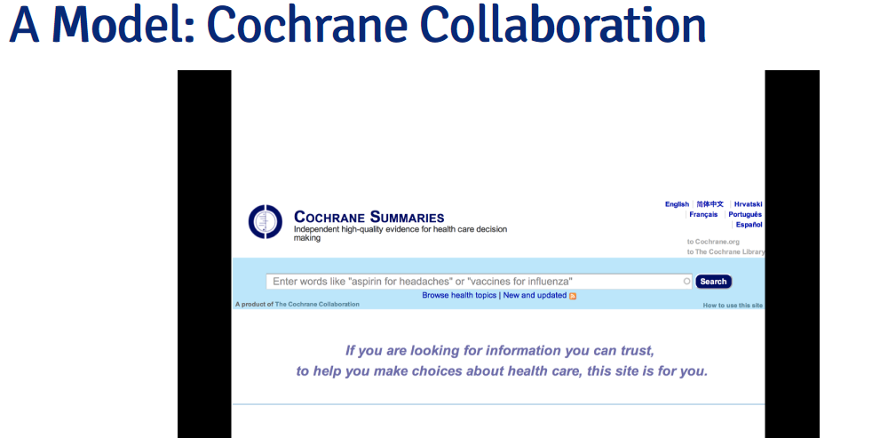

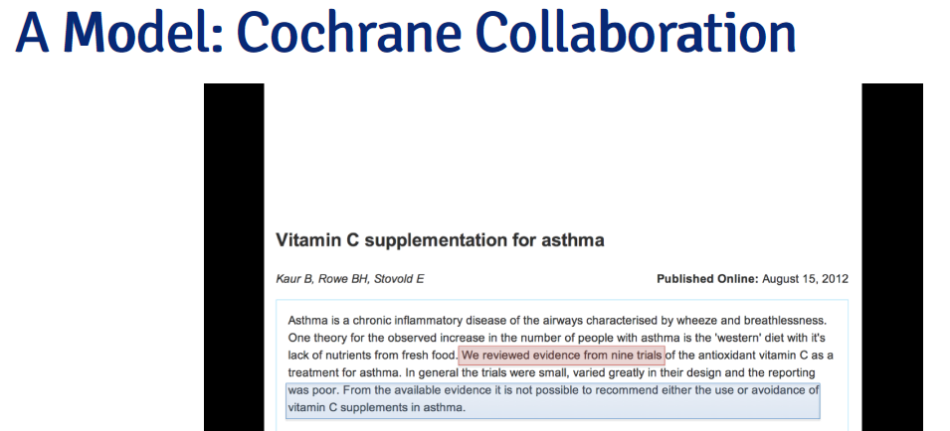

A Curated Library of Data Analysis

* | Provide packages that encode data analysis pipelines for given problems, technologies,
 | questions
* | Curated by experts knowledgeable in the field
* | Documentation/references given supporting each module in the pipeline
* | Changes introduced after passing relevant benchmarks/unit tests

Summary

* | Reproducible research is important, but does not necessarily solve the critical question of
 | whether a data analysis is trustworthy
* | Reproducible research focuses on the most "downstream" aspect of research dissemination
* | Evidence-based data analysis would provide standardized, best practices for given scientific
 | areas and questions
* | Gives reviewers an important tool without dramatically increasing the burden on them
* | More effort should be put into improving the quality of "upstream" aspects of scientific research

 | http://www.rpubs.com/rdpeng/13396

W4
4 - 1 - Caching Computations [11-16]

The cacher package for R

* | Add-on package for R
* | Evaluates code written in files and stores intermediate results in a key-value database
* | R expressions are given SHA-1 hash values so that changes can be tracked and code
 | reevaluated if necessary
* | "Cacher packages" can be built for distribution
* | Others can "clone" an analysis and evaluate subsets of code or inspect data objects

Using cacher as an Author

1 | Parse the R source file; Create the necessary cache directories and subdirectories
2 | Cycle through each expression in the source file:
 | - If an expression has never been evaluated, evaluate it and store any resulting R
 |  | objects in the cache database,
 | - If a cached result exists, lazy-load the results from the cache database and move to the
 |  | next expression,
 | - If an expression does not create any R objects(i.e. there is nothing to cache), add the expression
 |  | to the list of expressions where evaluation needs to be forced
 | - Write out metadata for this expression to the metadata file.

Using cacher as an Author

* | The cache package function creates a cacher package storing
 | - Source file
 | - Cached data objects
 | - Metadata

* | Package file is zipped and can be distributed
* | Readers can unzip the file and immediately investigate its contents via cacher package

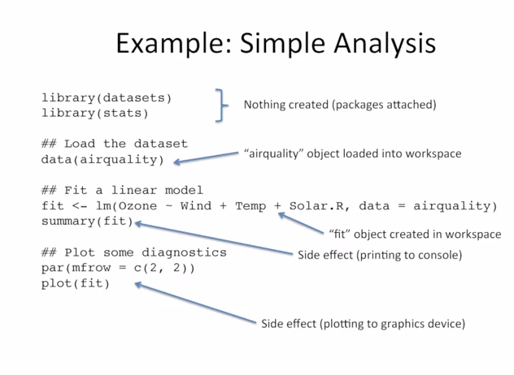

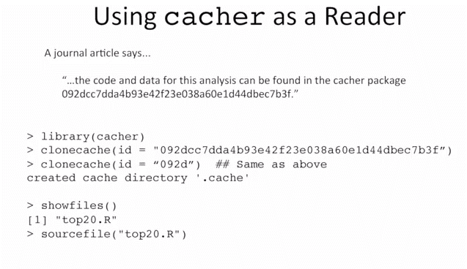

Cloning an Analysis

* | Local directories created
* | Source code files and metadata are downloaded
* | Data objects are not downloaded by default
* | References to data objects are loaded and corresponding data can be lazy-loaded on demand

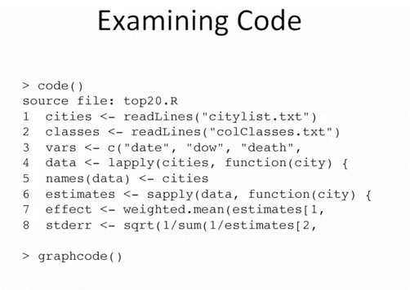

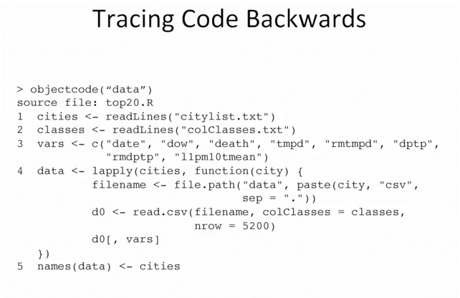

Running Code

* | The runcode function executes code in the source file
* | By default, expressions that results in an object being created are ont run and the
 | resulting objects is lazy-loaded in the workspace
* | Expressions not resulting in objects are evaluated

Checking Code and Objects

* | The checkcode function evaluates all expressions from scratch ( no lazy-loading)
* | Results of evaluation are checked against stored results to see if the results are
 | the same as what the author calculated
 | - setting RNG seeds is critical for this to work
* | The integrity of data objects can be verified with the checkobjects function to check
 | for possible corruption of data)i.e. in transit)

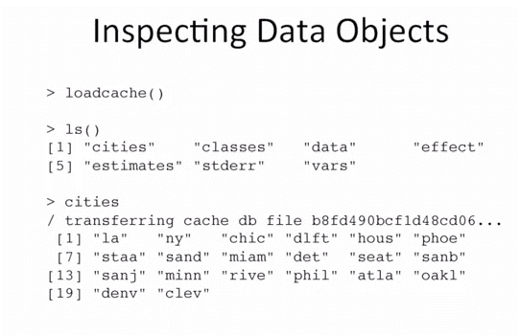

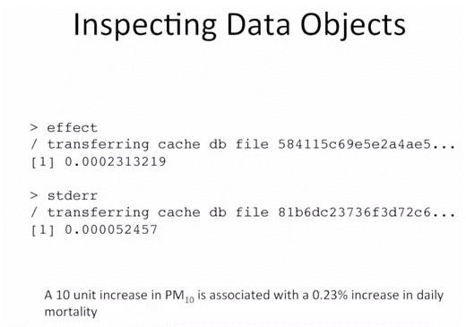

Cacher Summary

* | The cacher package can be used by authors to create cache packages from data
 | analyses for distribution
* | Readers can use the cacher package to inspect others' data analysis by examining
 | cached computations
* | cacher is mindful ofreaders' resources and efficiently loads only those data objects
 | that are needed

No.2 Videoから見る
PA2をやってから見ることにした

Q1
1 | should not be "a different scientific question", should be "same scientific question"
2 | data is not independent
3 | investigator is not independent
4 | correct
<< based on this lecture slide @ line 1 or so >>
Replication

* | The ultimate standard for strengthening scientific evidence is replication of findings and |  |  |  |  |  | 複製
 | conducting studies with independent |  |  |  |  |  | 行う
 | - Investigators
 | - Data
 | - Analytical methods
 | - laboratories
 | - Instruments

* | Replication is particularly important in studies that can impact broad policy or regulatory decisions

 |  |  |  |  |  | 1 | No need to be Unix
 |  |  |  |  |  | 2 | correct
 |  |  |  |  |  | 3 | No need to give computer
 |  |  |  |  |  | 4 | No need to be free

<< based on this lecture slide @ line 22 or so >>
What's wrong with replication ?

* | Some studies cannot be replicated
 | - No time, opportunistic
 | - No money
 | - Unique

* | Reproducible Research: Make analytic data and code available so that others may
 | reproduce findings.

 | I think this is almost same question with Q2.

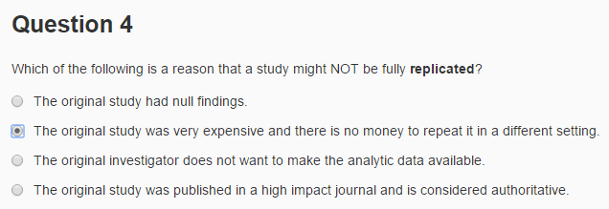

<< based on this lecture slide @ line 19 or so >>
What's wrong with replication ?

* | Some studies cannot be replicated
 | - No time, opportunistic
 | - No money
 | - Unique

<< based on this lecture slide @ line 35 or so >>
Why do we need reproducible research ?

* | New technologies increasing data collection throughput; data are more complex and
 | extremely high dimensional
* | Existing databases can be mered into new "megadatabases"
* | Computing power is greaty increased, allowing more sophisticated analyses
* | For every field "X" there is a field "Computational X"

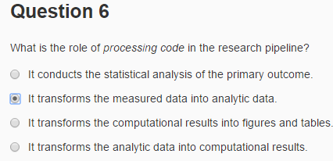

<< based on this lecture slide @ W1 line 50 or so >>

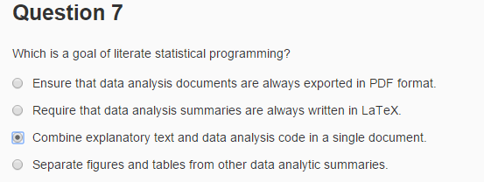

 |  |  |  |  | 1 | PDF output is not the goal
 |  |  |  |  | 2 | LaTeX ia not the goal
 |  |  |  |  | 3 | correct
 |  |  |  |  | 4 | figures and tables are not seperated out but combined with presentation code.

<< based on this lecture slide @ W1 line 125 or so >>
Literate (Statistical) Programming

* | An article is a stream of text and code
* | Analysis code is divided into text and code "chunks" |  |  | chunk | 関連項目のまとまり
* | Each code chunk loads data and computes results
* | Presentation code formats results(tables, figures, etc.)
* | Article text explains what is going on
* | Literate programs can be weaved to produce human-readable documents
 | and tangled to produce machine-readable documents.

 | weave | 仕組む、つくりあげる
 | tangle | からませる



 | based on above copied lecture slide



 |  |  |  |  | 1 | No need to be UNIX
 |  |  |  |  | 2 | No need to be PDF
 |  |  |  |  | 3 | correct
 |  |  |  |  | 4 | No need to have wev server |  | ??

<< based on this lecture slide @ W1 line 141 or so >>
Literate (Statistical) Programming

* | Literate programming is a general concept that requires
 | 1. A documentation language (human readable)
 | 2. A programming language (machine readable)
* | Sweave uses LaTeX and R as the documentation and programming languages
* | Sweave was developed by Friedrich Leisch (ember of the R Core) and is
 | maintained by R core
 | Main web site: |  | http://www.statistik.lmu.de/~leisch/Sweave
 |  |  | http://leisch.userweb.mwn.de/Sweave/



 |  |  |  | 1 | This is demerit @ Sweave
 |  |  |  | 2 | correct
 |  |  |  | 3 | He developped Sweave
 |  |  |  | 4 | knitr uses R

<< based on this lecture slide @ W1 line 164 or so >>
Literate (Statistical) Programming

* | knitr is an alternative(more recent) package
* | Brings together many features added on to Sweave to address limitations
* | knitr uses R as the programming language (although others are allowed) and
 | variety of documentation languages
 | - LateX, Markdown, HTML
* | knitr was developed by Yihui Xie ( whioe a graduate student in statistics at iowa State)
* | See |  | http://yihui.name/knitr/

Q2




<< based on this lecture slide @ W2 line 25 or so >>
What is Markdown?

 | Markdown is a text-to-HTML conversion tool for web writers. Markdown
 | allows you to write using an easy-to-read, easy-to-write plain text format,
 | then convert it to structurally valid XHTML (or HTML)

 | John Gruber, creator of Markdown | http://daringfireball.net/projects/markdown/

PA1










<< clone repo was made >>
1. Create clone Repo

- Begin navigating to the desired repository on the GitHub website and click the "Fork" button .
- Clone the Repo by
Open Git Bash

 |  | $ cd ~ ( ~ home is C:\Users\Kazushige)
 |  | $ git clone https://github.com/K-Okutsu/RepData_PeerAssessment1.git
2. Update

Open Git Bash

 |  | $ cd ~
 |  | $ ls …… show file and directory
 |  | $ cd RepData PeerAssessment1
 |  | $ git pull
<< then >>
1 |  | make PA1_template.md
 | > getwd()
 | [1] "C:/ko/coursea/DataScience/Reproducible Research/PA1"
 | library(knitr)
 | knit2html("PA1_template.Rmd")
 | browseURL("PA1_template.html")
 |  | PA1_template.md
 |  | PA1_template.html
 |  | figure directory was made

2 | copy | following into |  | C:\Users\Kazushige\RepData_PeerAssessment1
 |  | PA1_template.md
 |  | PA1_template.html
 |  | figure directory was made

3 | Data transfer from local to remote GIT

 | Open Git Bash

 |  |  | $ cd ~
 |  |  | $ cd RepData PeerAssessment1
 |  |  | $ git add . |  |  |  | 02_07_basicGitCommands.pdf
 |  |  | $ git commit -m "Peer Assessment 1 submission "
 |  |  | $ git push
 |  |  |  | >Username for 'https://github.com': |  | K-Okutsu Ent
 |  |  |  | >Password for 'https://K-Okutsu@github.com': | zcbm095 Ent

 | I cofirm they are copied in Git Hub remote. |  |  |  | same name file by Teacher is over written

4 | Paste URL |  | https://github.com/K-Okutsu/RepData_PeerAssessment1

 | Copy SHA-1 of my work

My md file |  | https://github.com/K-Okutsu/RepData_PeerAssessment1

---
title: "Reproducible Research: Peer Assessment 1"
output: html_document
---

## Loading and preprocessing the data

1: Load the data (i.e. read.csv())

2: Process/transform the data (if necessary) into a format suitable for your analysis
```{r loading, cache=FALSE}
library(knitr)
library(dplyr)
setwd("C:/ko/coursea/DataScience/Reproducible Research/PA1")
LoadData <- read.csv("activity.csv")
```
## What is mean total number of steps taken per day?

For this part of the assignment, you can ignore the missing values in the dataset.

1: Calculate the total number of steps taken per day
```{r, cache=FALSE}
steps.day <-
LoadData %>%
group_by(date) %>%
summarize(total_steps = sum(steps,na.rm=T))
```

2: Make a histogram of the total number of steps taken each day
```{r}
hist(steps.day$total_steps,xlab="steps",main="Total number of steps taken each day",col = "green")
```

3: Calculate and report the mean and median of the total number of steps taken per day
```{r}
total_mean <- mean(steps.day$total_steps)
total_median <- median(steps.day$total_steps)
```
- Mean of the total number of steps taken per day is `r total_mean`.
- Median of the total number of steps taken per day is `r total_median`.

## What is the average daily activity pattern?

1: Make a time series plot (i.e. type = "l") of the 5-minute interval (x-axis) and the average number of steps taken, averaged across all days (y-axis)

```{r}
avg.steps <-
LoadData %>%
group_by(interval) %>%
summarize(average_steps = mean(steps,na.rm=T))
x <- as.character(avg.steps$interval)
x2 <- x
for(i in seq_along(x)){
if(nchar(x[i])==1){x2[i] <- paste0("000",x[i])}
else if(nchar(x[i])==2){x2[i] <- paste0("00",x[i])}
else if(nchar(x[i])==3){x2[i] <- paste0("0",x[i])}
}
x2 <- strptime(x2,format = "%H%M")
plot(x2,avg.steps$average_steps,type = "l",
xlab = "5-minute interval",ylab = "Average number of Steps",
main = "Average number of steps taken (averaged across all days)")
```

2: Which 5-minute interval, on average across all the days in the dataset, contains the maximum number of steps?
```{r}
max_steps <- max(avg.steps$average_steps)
peek <- which(avg.steps$average_steps == max_steps)
peek_interval <- x[peek]
peek_HHMM <- paste0(x2$hour[peek],":",x2$min[peek])
```
- 5-minute interval - `r peek_interval` (`r peek_HHMM`) - contains the maximum number of steps.

## Imputing missing values

Note that there are a number of days/intervals where there are missing values (coded as NA).
The presence of missing days may introduce bias into some calculations or summaries of the data.

1: Calculate and report the total number of missing values in the dataset (i.e. the total number of rows with NAs)

```{r}
row.location.NAS <- !complete.cases(LoadData)
row.count.NAS <- sum(row.location.NAS)
```
- "Total number of missing values in the dataset" is `r row.count.NAS`

2: Devise a strategy for filling in all of the missing values in the dataset. The strategy does not need to be sophisticated. For example, you could use the mean/median for that day, or the mean for that 5-minute interval, etc.

```{r}
mean.steps <- as.integer(mean(LoadData$steps,na.rm = T))
```
- My Strategy :
1. calculate mean of all valid (Non NA) steps and get the integer of it. This is `r mean.steps`.
2. Use this value for the missing value.

3: Create a new dataset that is equal to the original dataset but with the missing data filled in.
```{r}
NewData <- LoadData
NewData$steps[row.location.NAS] <- mean.steps
```

4: Make a histogram of the total number of steps taken each day and Calculate and report the mean and median total number of steps taken per day. Do these values differ from the estimates from the first part of the assignment? What is the impact of imputing missing data on the estimates of the total daily number of steps?
```{r}
new.steps.day <-
NewData %>%
group_by(date) %>%
summarize(total_steps = sum(steps,na.rm=T))
hist(new.steps.day$total_steps,xlab="steps",main="Total number of steps taken each day (missing values were imputed)",col="blue")
new.total_steps.mean <- mean(new.steps.day$total_steps)
new.total_steps.median <- median(new.steps.day$total_steps)
mean_differ <- new.total_steps.mean - total_mean
median_differ <- new.total_steps.median - total_median
mean_pct <- new.total_steps.mean/total_mean*100
median_pct <- new.total_steps.median/total_median*100
```

#NAME?
- Mean = `r new.total_steps.mean`
- Median = `r new.total_steps.median`

#NAME?
- Yes, these values differ from the estimation as below.
- Mean differ from 1st part (`r total_mean`) = `r mean_differ`
- Median differ from 1st part (`r total_median`) = `r median_differ`

#NAME?
- Mean & Median of "Imputing missing data" are changed from first part with following percent.
I think there is some impact by "Imputing missing data".
- Mean differ % from 1st part = `r round(mean_pct)`[%]
- Median differ % from 1st part = `r round(median_pct)`[%]

## Are there differences in activity patterns between weekdays and weekends?

For this part the weekdays() function may be of some help here. Use the dataset with the filled-in missing values for this part.
```{r}
Sys.setlocale("LC_TIME","C") # Need this command for handling date & time function at some non English operating system.
NewData$date <- strptime(NewData$date, format = "%Y-%m-%d")
NewData$weekdays <- weekdays(NewData$date)
```
1: Create a new factor variable in the dataset with two levels."weekday" and "weekend" indicating whether a given date is a weekday or weekend day.

```{r}
SatSun <- (NewData$weekdays == "Saturday")|(NewData$weekdays == "Sunday")
NewData$weekend <- ifelse(SatSun,"weekend","weekday")
NewData$weekend <- as.factor(NewData$weekend)
```

2: Make a panel plot containing a time series plot (i.e. type = "l") of the 5-minute interval (x-axis) and the average number of steps taken, averaged across all weekday days or weekend days (y-axis). See the README file in the GitHub repository to see an example of what this plot should look like using simulated data.

```{r}
library(lattice)
compare.steps <-
NewData[-2] %>% # drop date column
group_by(interval,weekend) %>%
summarize(average_steps = mean(steps,na.rm=T))
xyplot(average_steps ~ as.integer(interval) | weekend, data=compare.steps
,layout=c(1,2), type = 'l', xlab = " 5-minute interval", ylab = "Average Number of steps",
main = "Average Number of steps comparison between weekend & weekday")
```

